Crossed Yagi Design 146 MHz (3)
146 MHz Crossed Yagi Antenna Design Specifications (3)
AK2W | 2021-12-27 | From VK5DJ Yagi Calculator by John Drew |  | https://www.vk5dj.com/yagi.html
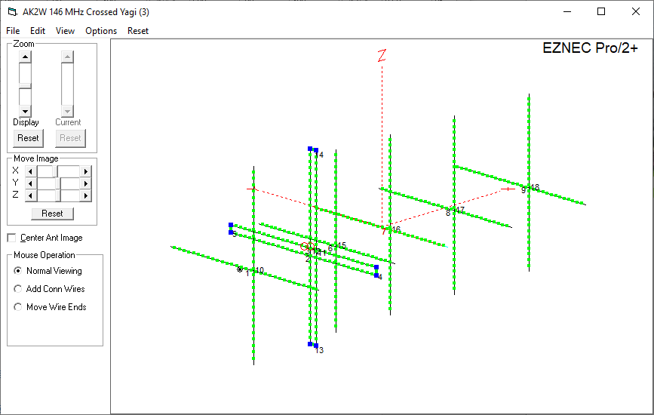
 |  |  |  |  |  |  |  |  |  | Calculator
 |  |  |  |  |  |  | Speed of Light (m/sec) |  |  | mm | in | 1/2
 |  |  |  |  |  |  | 299,792,458 | Speed of Light (m/sec) |  | 6.2 mm | 0.24 in | 3.1
 |  |  |  |  |  |  | 299.792458 | SoL / 1,000,000 (mm/s) |  | 63.50 mm | 2.50 | 31.8

 |  |  |  |  |  |  | Velocity Factor |  |  | Conversions
 |  |  |  |  |  |  | 0.94 | Aluminum Tubing |  | 1.000 m | 39.37 in
 |  |  |  |  |  |  | Antenna Operating Frequency |  |  | 1.00 cm | 0.39 in
 |  |  |  |  |  |  | 146.0 MHz | Frequency |  | 1.00 mm | 0.039 in
 |  |  |  |  |  |  | 2.053 m | Wavelength (m) | 1/2 (mm) | 1.00 ft | 0.3048 m
 |  |  |  |  |  |  | 2053 mm | Wavelength (mm) | 1026.7 | 1.00 | 25.4 mm
 |  |  |  |  |  |  | 80.84 in | Wavelength (in) | 1/4 (in) | 1/2 (in)
 |  |  |  |  |  |  | 6.74 ft | Wavelength (ft) | 20.2 | 40.4

 |  |  |  |  |  |  | Boom Length |  |  | Boom Length
 |  |  |  |  |  |  | 0.9 | Wavelengths |  | 2 | Wavelengths
 |  |  |  |  |  |  | 1.920 m | Length (m) |  | 4.107 m | Length (m)
 |  |  |  |  |  |  | 1920 mm | Length (mm) |  | 4107 mm | Length (mm)
 |  |  |  |  |  |  | 75.59 in | Length (in) |  | 161.68 in | Length (in)
 |  |  |  |  |  |  | 6.30 ft | Length (ft) |  | 13.47 ft | Length (ft)
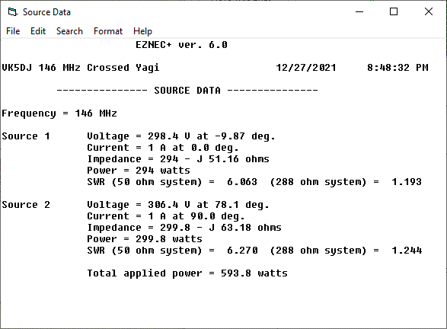
 |  |  |  |  |  |  | Boom Diameter
 |  |  |  |  |  |  | 0.75 | Diameter (in)
 |  |  |  |  |  |  | 19.05 mm | Diameter (mm)
 |  |  |  |  |  |  | 0.009 D/λ | Diameter/Wavelength

 |  |  |  |  |  |  | Boom Wall Thickness
 |  |  |  |  |  |  | 1.50 mm | Diameter (mm)

 |  |  |  |  |  |  | Element Solid Rod Diameter
 |  |  |  |  |  |  | 0.25 | Diameter (in)
 |  |  |  |  |  | NIST | 6.35 mm | Diameter (mm)
 |  |  |  |  |  | Calcs | 0.003 D/λ | Diameter/Wavelength
 |  |  |  |  |  |  | 0.486 | Ref element Length in λ
 |  |  |  |  |  |  | 0.447 | Dir element Length in λ

 |  |  |  |  |  |  | Driven Element Tube Diameter
 |  |  |  |  |  |  | 0.375 | Diameter (in)
 |  |  |  |  |  |  | 9.52 mm | Diameter (mm)
 |  |  |  |  |  |  | 0.005 D/λ | Diameter/Wavelength
 |  |  |  |  |  |  | Driven Element Wall Thickness
 |  |  |  |  |  |  | 1.70 mm | Diameter (mm)
146 MHz 6-Element Crossed Yagi Antenna Build Specifications
 |  |  |  | Gain (dBd) | Gain (dBi)
VK5DJ Yagi Calculator Results - 146 MHz - Horizontal Elements |  |  |  | 8.9 | 11.0 | Boom Length
Element | Spacing (mm) | Pos (mm) | Len (mm) | Len (in) | NEC (L/2) | (in) | Insert to (mm)
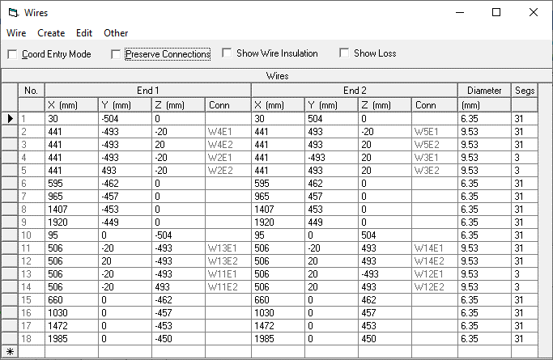
REF | 30 | 30 | 1007 | 39.65 | 504 | 1.2 | 494
DE | 411 | 441 | 986 | 38.82 | 493 | 17.4 | 483.5
D1 | 154 | 595 | 923 | 36.34 | 462 | 23.4 | 452
D2 | 370 | 965 | 914 | 35.98 | 457 | 38.0 | 447.5
D3 | 442 | 1407 | 906 | 35.67 | 453 | 55.4 | 443.5
D4 | 513 | 1920 | 898 | 35.35 | 449 | 75.6 | 439.5
End Allowance | 30 | 1950 |  |  |  | 76.8
DE 1 | 2 | 50.80 mm | 1037 | + 2" for shorting bars & end caps
DE 2 (x 2) | 1.5 | 38.10 mm | 512 | + 1.5" for short bars + caps - feed gap / 2
Balun Loop Length |  |  | 770 | 30.31

VK5DJ Yagi Calculator Results - 146 MHz - Vertical Elements
Element | Spacing (mm) | Pos (mm) | Len (mm) | Len (in) | NEC (L/2)
REF | 95 | 95 | 1007 | 39.65 | 504
DE | 411 | 506 | 986 | 38.82 | 493
D1 | 154 | 660 | 923 | 36.34 | 462
D2 | 370 | 1030 | 914 | 35.98 | 457
D3 | 442 | 1472 | 906 | 35.67 | 453
D4 | 513 | 1985 | 899 | 35.39 | 450
End Allowance | 30 | 2015 |  | Boom Length (in): | 79.3

Element | Insert to (mm)
REF | 494
DE | 483.5
D1 | 452
D2 | 447.5
D3 | 443.5
D4 | 440

Balun Coax Loop Length |  |  | 770 | 30.31

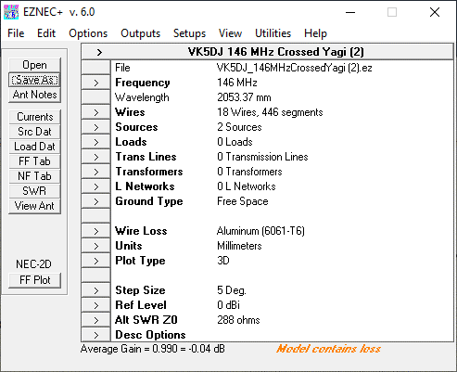
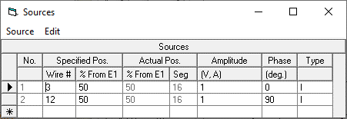

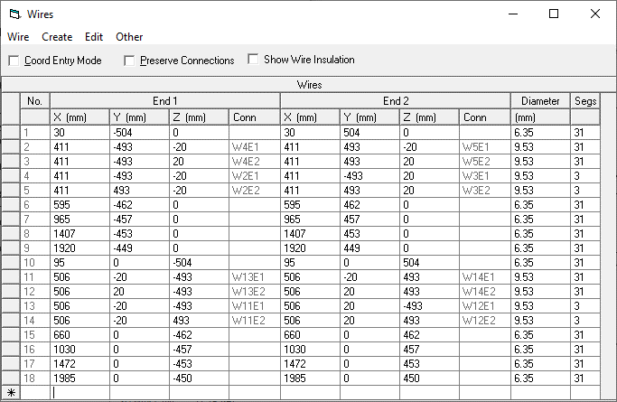

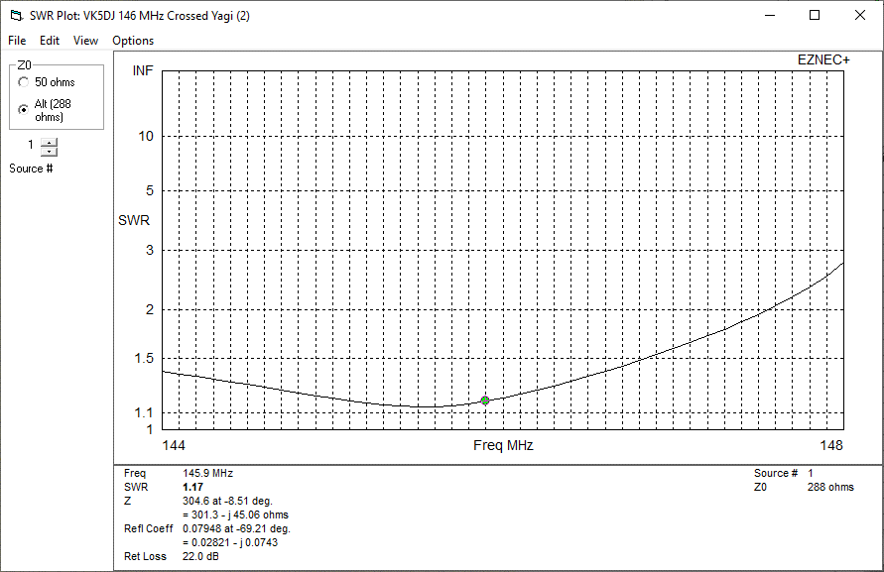

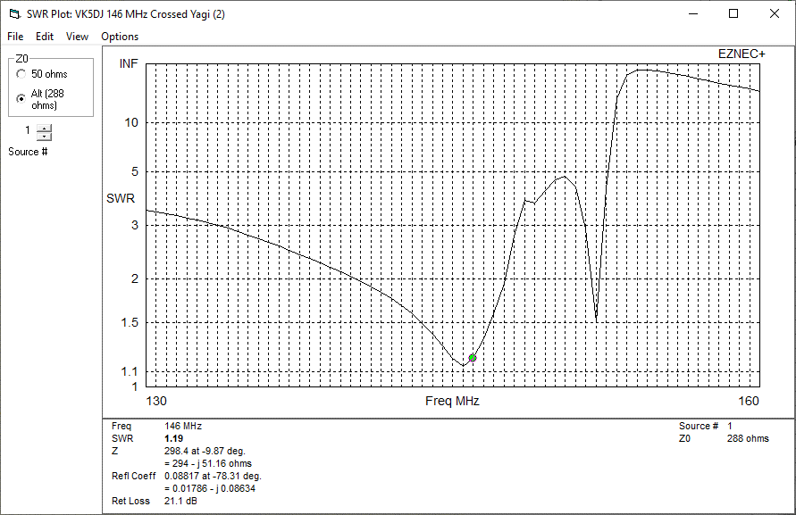

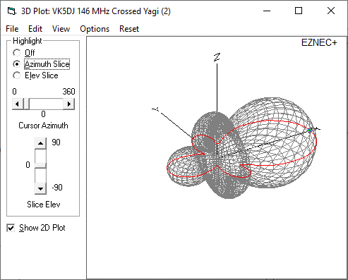
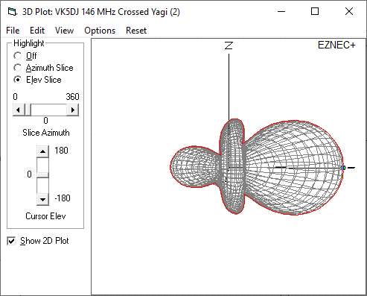

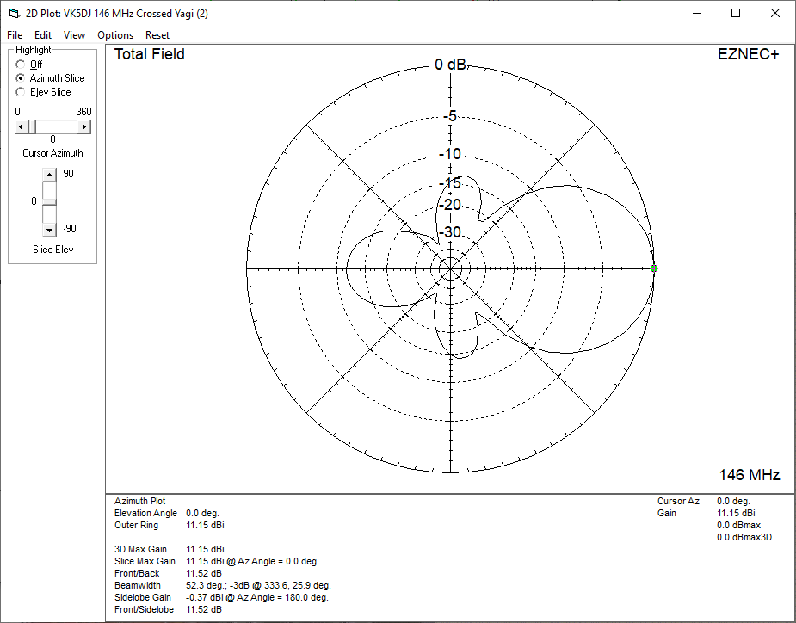



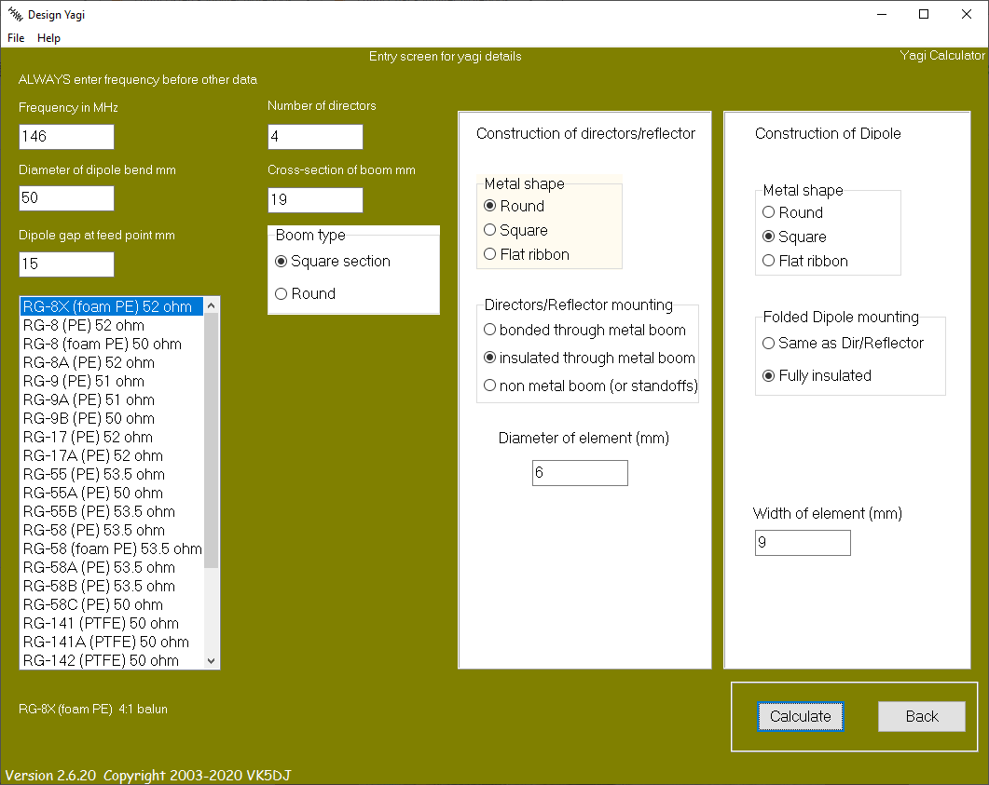

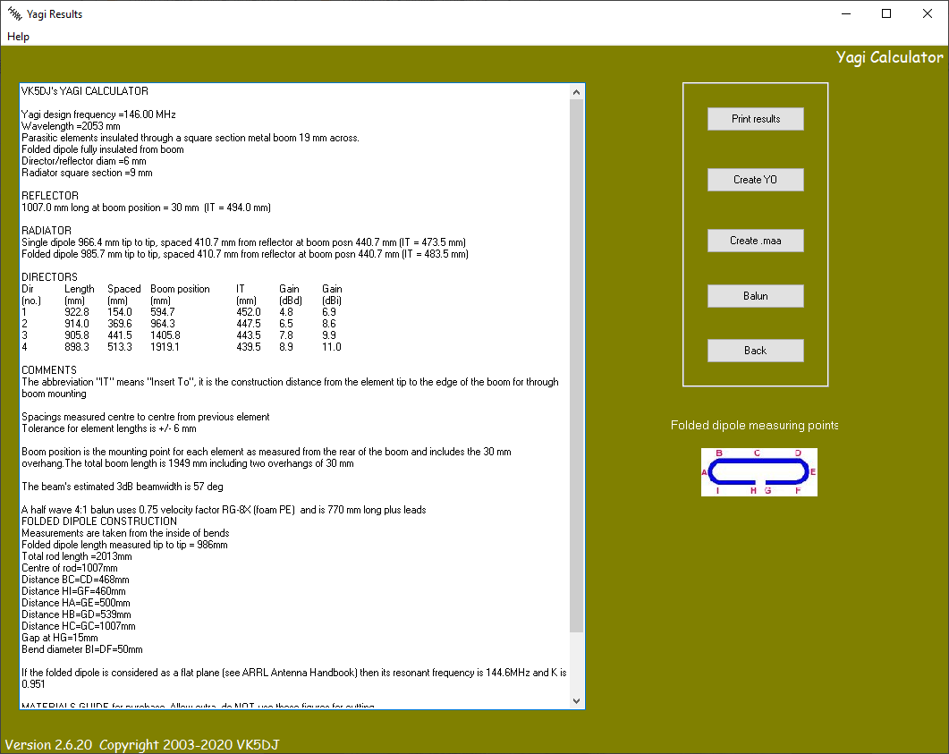

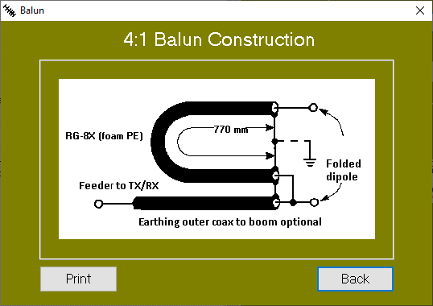
 |  |  | 146.0 MHz | Frequency
 |  |  | 2.053 m | Wavelength (m)
 |  |  | 2053 mm | Wavelength (mm)
 |  |  | 80.84 in | Wavelength (in)
 |  |  | 6.74 ft | Wavelength (ft)

4:1 Coax Balun Calculations
Coax |  | VF | 1/2 λ | Length w/ VF | (in)
RG-8U |  | 0.66 | 1027 mm | 678 mm | 26.678 in
RG-8X Foam PE |  | 0.82 | 1027 mm | 842 mm | 33.145 in
RG-6 Foam |  | 0.81 | 1027 mm | 832 mm | 32.741 in
RG-8X | (per above) | 0.75 | 1027 mm | 770 mm | 30.316 in

1/12 Wave Impedance Transformer: 75Ω to 50Ω
https://pa0fri.home.xs4all.nl/Ant/Eentwaalfde%20golf%20trafo/One-twelfth%20wave%20transformer.htm
1.5 Ratio | Coax | VF |  | 1/12 λ Length w/ VF | (in)
0.0815 | 50Ω RG-8X F | 0.82 |  | 137 mm | 5.403 in
0.0815 | 75Ω RG-6 Foam | 0.81 |  | 136 mm | 5.337 in

Crossed Yagi Design 435 MHz (3)
435 MHz Crossed Yagi Antenna Design Specifications (3)
AK2W | 2022-02-24 | From VK5DJ Yagi Calculator by John Drew |  | https://www.vk5dj.com/yagi.html
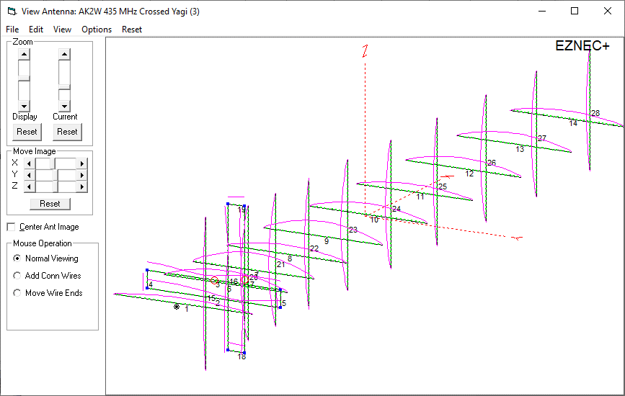
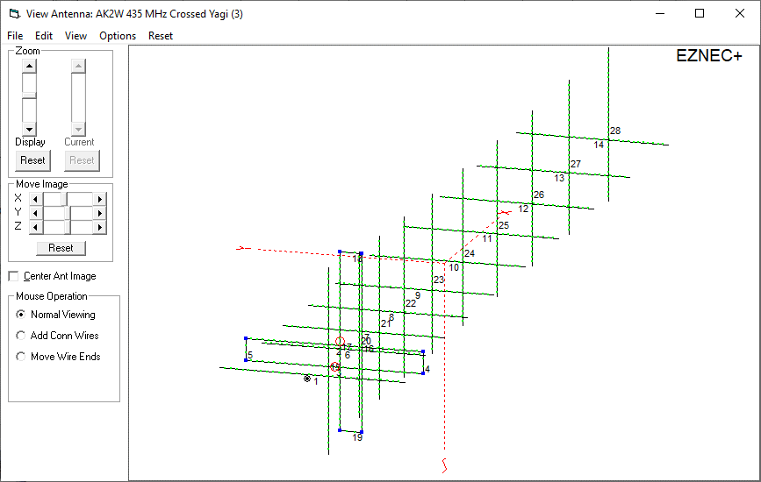
 |  |  |  |  |  |  |  |  |  | Calculator
 |  |  |  |  |  |  | Speed of Light (m/sec) |  |  | mm | in | 1/2
 |  |  |  |  |  |  | 299,792,458 | Speed of Light (m/sec) |  | 462.0 mm | 18.19 in | 231.0
 |  |  |  |  |  |  | 299.792458 | SoL / 1,000,000 (mm/s) |  | 50.80 mm | 2.00 | 25.4

 |  |  |  |  |  |  | Velocity Factor |  |  | Conversions
 |  |  |  |  |  |  | 0.94 | Aluminum Tubing |  | 1.000 m | 39.37 in
 |  |  |  |  |  |  | Antenna Operating Frequency |  |  | 1.00 cm | 0.39 in
 |  |  |  |  |  |  | 437.0 MHz | Frequency |  | 1.00 mm | 0.039 in
 |  |  |  |  |  |  | 0.686 m | Wavelength (m) |  | 1.00 ft | 0.3048 m
 |  |  |  |  |  |  | 686 mm | Wavelength (mm) |  | 1.00 in | 25.4 mm
 |  |  |  |  |  |  | 27.01 in | Wavelength (in)
 |  |  |  |  |  |  | 2.25 ft | Wavelength (ft)
 |  |  |  |  |  |  | 689 mm
 |  |  |  |  |  |  | Boom Length |  |  | Boom Length
 |  |  |  |  |  |  | 2.5 | Wavelengths |  | 2 | Wavelengths
 |  |  |  |  |  |  | 1.746 m | Length (m) |  | 1.372 m | Length (m)
 |  |  |  |  |  |  | 1746 mm | Length (mm) |  | 1372 mm | Length (mm)
 |  |  |  |  |  |  | 68.74 in | Length (in) |  | 54.02 in | Length (in)
 |  |  |  |  |  |  | 5.73 ft | Length (ft) |  | 4.50 ft | Length (ft)
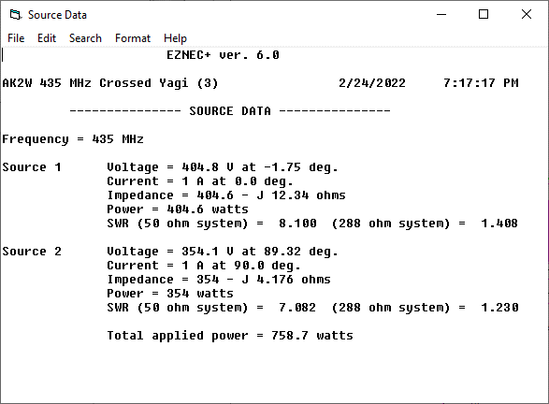
 |  |  |  |  |  |  | Boom Diameter
 |  |  |  |  |  |  | 0.75 | Diameter (in)
 |  |  |  |  |  |  | 19.05 mm | Diameter (mm)
 |  |  |  |  |  |  | 0.028 D/λ | Diameter/Wavelength

 |  |  |  |  |  |  | Boom Wall Thickness
 |  |  |  |  |  |  | 1.50 mm | Diameter (mm)

 |  |  |  |  |  |  | Element Solid Rod Diameter
 |  |  |  |  |  |  | 0.25 | Diameter (in)
 |  |  |  |  |  | NIST | 6.35 mm | Diameter (mm)
 |  |  |  |  |  | Calcs | 0.009 D/λ | Diameter/Wavelength
 |  |  |  |  |  |  | 0.486 | Ref element Length in λ
 |  |  |  |  |  |  | 0.447 | Dir element Length in λ

 |  |  |  |  |  |  | Driven Element Tube Diameter
 |  |  |  |  |  |  | 0.375 | Diameter (in)
 |  |  |  |  |  |  | 9.52 mm | Diameter (mm)
 |  |  |  |  |  |  | 0.014 D/λ | Diameter/Wavelength
 |  |  |  |  |  |  | Driven Element Wall Thickness
 |  |  |  |  |  |  | 1.70 mm | Diameter (mm)
435 MHz 11-Element Crossed Yagi Antenna Build Specifications
 |  |  |  | Gain (dBd) | Gain (dBi)
VK5DJ Yagi Calculator Results - 435 MHz - Horizontal Elements |  |  |  | 12.2 | 14.4
Element | Spacing (mm) | Pos (mm) | Len (mm) | Len (in) | NEC (L/2) | Gain (dBd) | Gain (dBi) | Insert to (mm)
REF | 30 | 30 | 341 | 13.43 | 171 |  |  | 161 | 346
DE | 138 | 168 | 325 | 12.80 | 163 |  |  | 153 | 330
D1 | 52 | 220 | 301 | 11.85 | 151 | 4.8 | 6.9 | 141 | 306
D2 | 124 | 344 | 297 | 11.69 | 149 | 6.5 | 8.6 | 139 | 302
D3 | 148 | 492 | 294 | 11.57 | 147 | 7.8 | 9.9 | 137.5 | 299
D4 | 172 | 664 | 291 | 11.46 | 146 | 8.9 | 11.0 | 136 | 296
D5 | 193 | 857 | 288 | 11.34 | 144 | 9.8 | 11.9 | 134.5 | 293
D6 | 207 | 1064 | 286 | 11.26 | 143 | 10.5 | 12.7 | 133.5 | 291
D7 | 217 | 1281 | 283 | 11.14 | 142 | 11.2 | 13.3 | 132 | 288
D8 | 227 | 1508 | 281 | 11.06 | 141 | 11.7 | 13.9 | 131 | 286
D9 | 238 | 1746 | 279 | 10.98 | 140 | 12.2 | 14.4 | 130 | 284
DE 1 | 2 | 50.80 mm | 376 | + 2" for shorting bars & end caps
DE 2 | 1.5 | 38.10 mm | 182 | + 1.5" for short bars + caps - feed gap / 2
Balun Loop Length |  |  | 258 | 10.16

VK5DJ Yagi Calculator Results - 435 MHz - Vertical Elements
Element | Spacing (mm) | Pos (mm) | Len (mm) | Len (in) | NEC (L/2)
REF | 202 | 130 | 341 | 13.43 | 171
DE | 138 | 268 | 326 | 12.83 | 163
D1 | 52 | 320 | 301 | 11.85 | 151
D2 | 124 | 444 | 298 | 11.73 | 149
D3 | 148 | 592 | 294 | 11.57 | 147
D4 | 172 | 764 | 291 | 11.46 | 146
D5 | 193 | 957 | 288 | 11.34 | 144
D6 | 207 | 1164 | 286 | 11.26 | 143
D7 | 217 | 1381 | 283 | 11.14 | 142
D8 | 227 | 1608 | 281 | 11.06 | 141
D9 | 238 | 1846 | 279 | 10.98 | 140
End Allow | 30 | 1876 |  | Boom Length (in): | 73.9

Balun Loop Length |  |  | 258 | 10.16

Element | Insert to (mm) |  | + 5 mm freq correction on vertical elements
REF | 161 |  | 346
DE | 153.5 |  | 331
D1 | 141 |  | 306
D2 | 139.5 |  | 303
D3 | 137.5 |  | 299
D4 | 136 |  | 296
D5 | 134.5 |  | 293
D6 | 133.5 |  | 291
D7 | 132 |  | 288
D8 | 131 |  | 286
D9 | 130 |  | 284
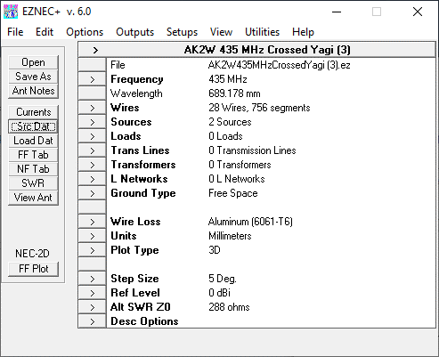
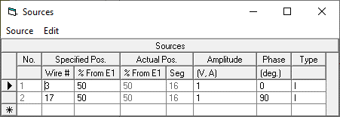

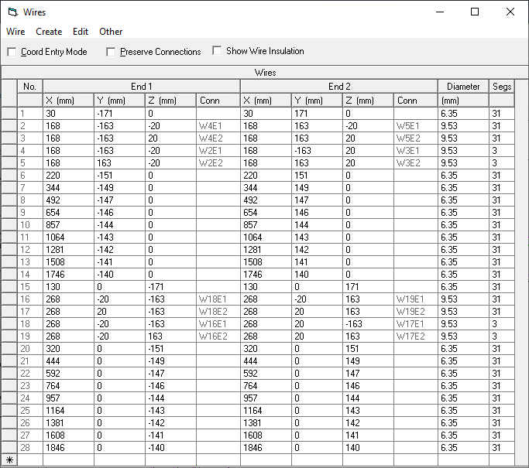

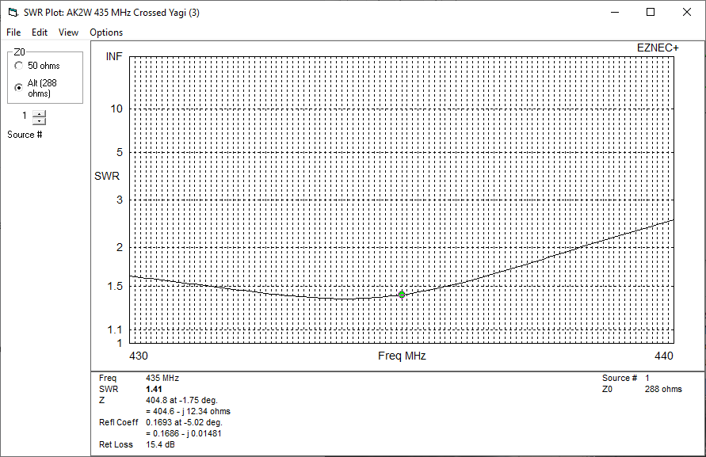

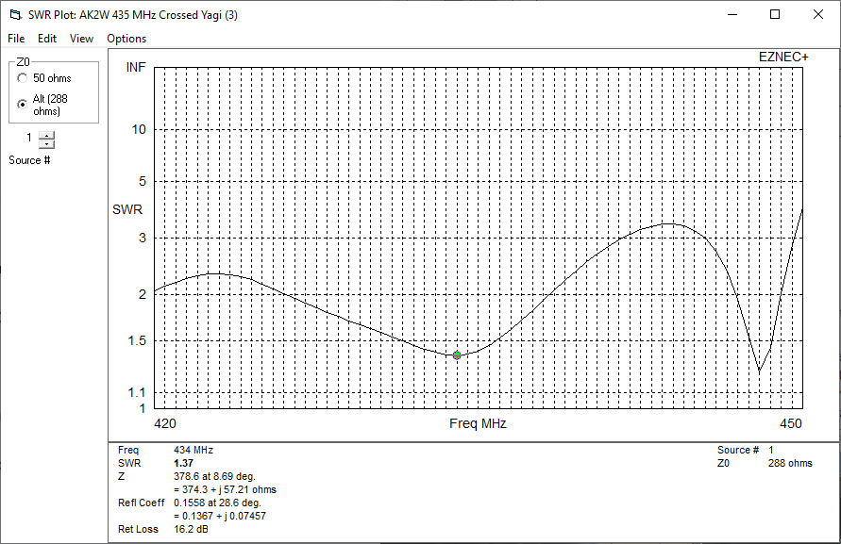

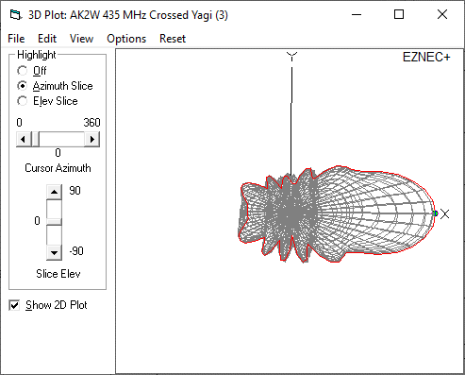
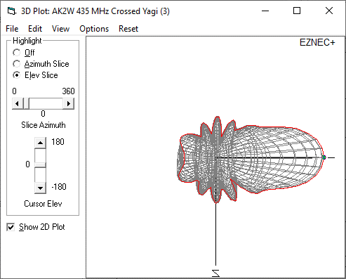

 |  |  |  |  |  |  |  | (2) Plot
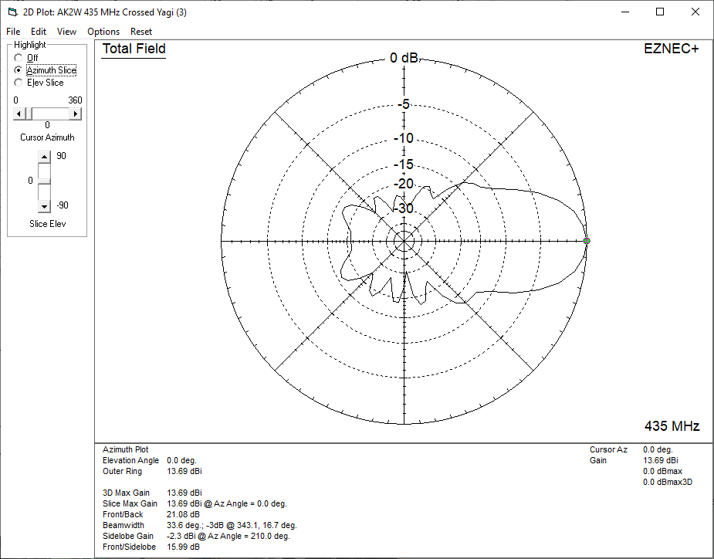
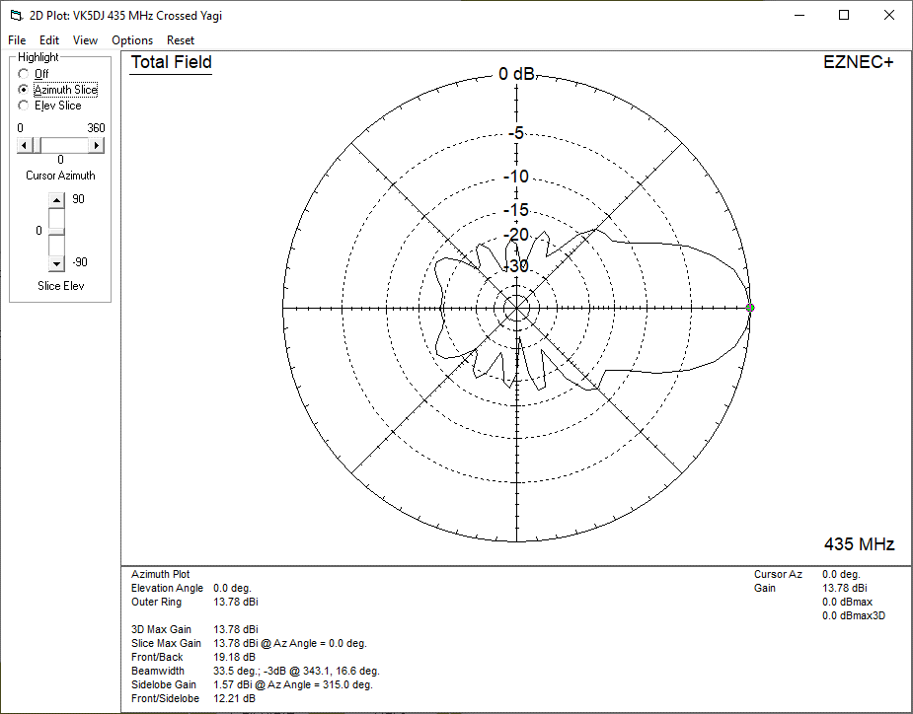

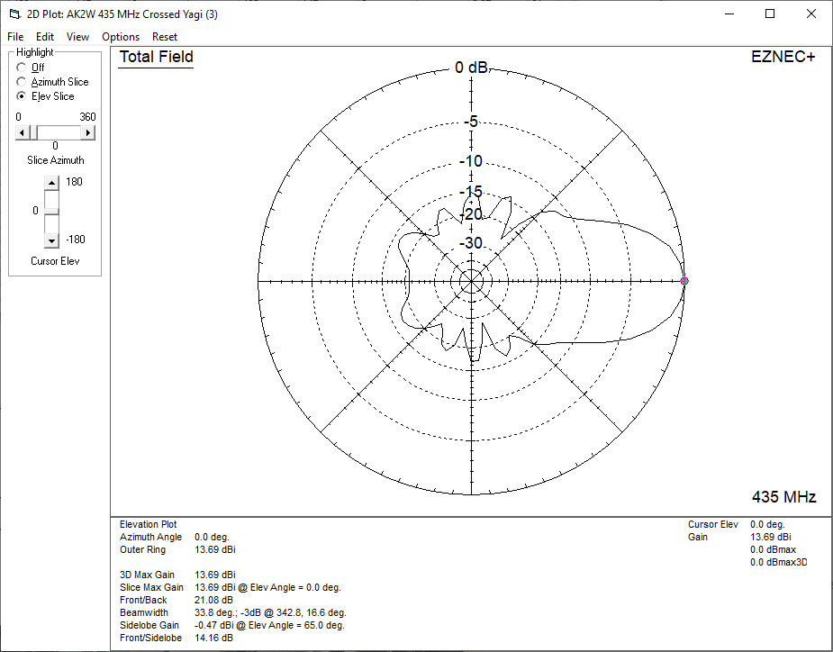


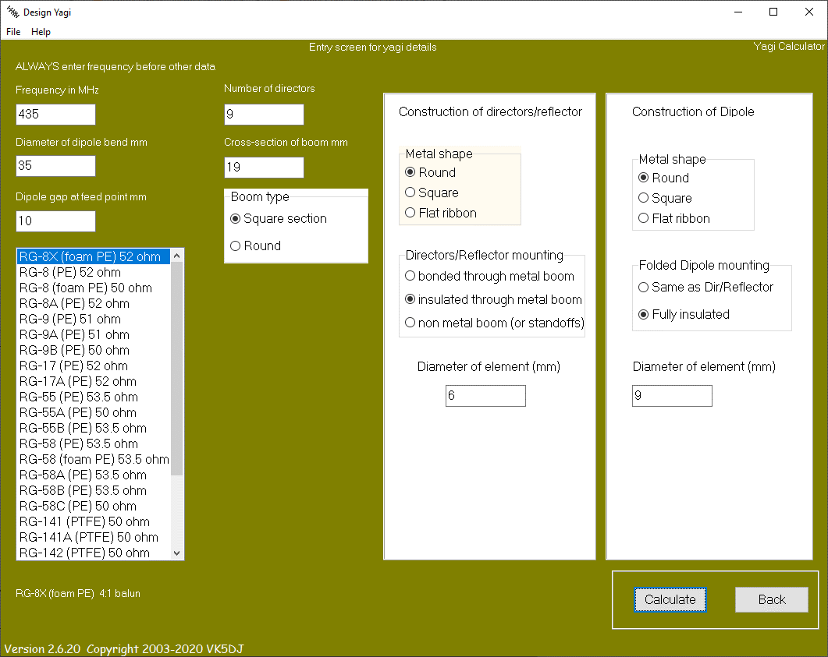

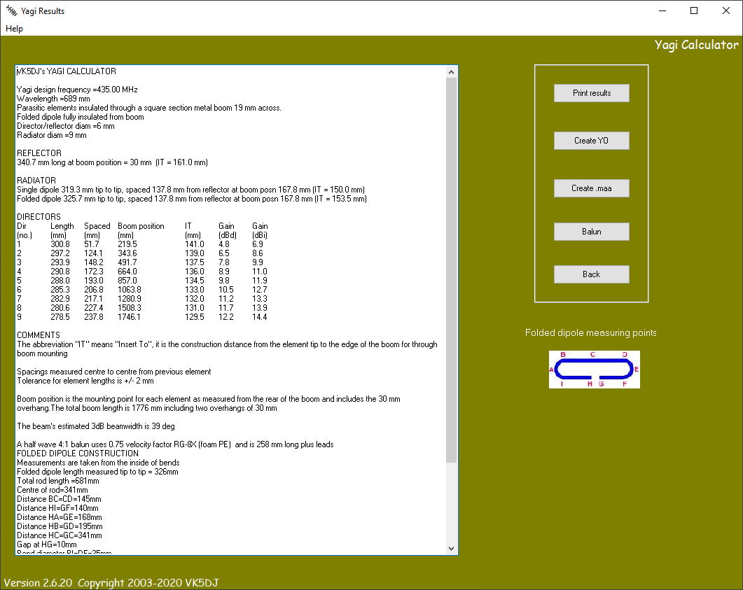


 |  |  | 435.0 MHz | Frequency
 |  |  | 0.689 m | Wavelength (m)
 |  |  | 689 mm | Wavelength (mm)
 |  |  | 27.13 in | Wavelength (in)
 |  |  | 2.26 ft | Wavelength (ft)

 |  |  |  |  |  |  | 1/12 Wave Transformer Calculations
 |  |  |  |  |  |  | Variable | Formula | Value
4:1 Coax Balun Calculations |  |  |  |  |  |  | L | = [ATAN(SQRT(B/(B^2 + B +1)))]/(2 * PI()) | #REF!
Coax |  | VF | 1/2 λ | Length w/ VF | (in)
RG-8U |  | 0.66 | 343 mm | 226 mm | 8.913 in
RG-8X Foam PE |  | 0.82 | 343 mm | 281 mm | 11.074 in
RG-6 Foam |  | 0.81 | 343 mm | 278 mm | 10.939 in
RG-8X | (per above) | 0.75 | 343 mm | 257 mm | 10.128 in

Coax Length Difference (FWD vs BACK array) |  |  | Array Positional Difference (mm)
RG-8X Foam PE |  | 0.82 | 100 mm | 82 mm | 3.228 in

